Location Plan & Summary
Intelligent Data Collection Limited

Client: | Bristol City Council |  | Date of Survey: |  |  | 24.03.2015
Project Number: | ID02263 |  | Junction Name: |  |  | A37 Wells Road / A4174 Wooton Park / A4174 Airport Road
Junction Number: | Site 5 |  | Junction Type: |  |  | Crossroads

X Coordinate |  | Y Coordinate |  |  | Google Maps Link
51.427993 |  | -2.563876 |  |  | Click Here
AM Peak Conditions |  | Inter-Peak Conditions |  |  | PM Peak Conditions
Sunny |  | Partially Cloudy |  |  | Cloudy with Showers
Junction Layout

N
 |  |  |  | Arm A - A37 Wells Road (N)

 |  | Arm D - A4174 Airport Road

 |  |  |  |  |  |  | Arm B - A4174 Wootton Park

 |  |  |  | Arm C - A37 Wells Road (S)

Aerial Mapping and On-site Camera View
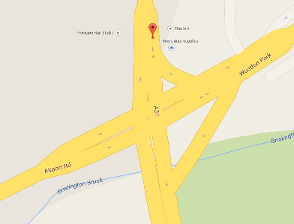
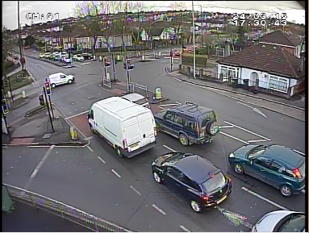

Arm C - A37 Wells Road (S)
Arm D - A4174 Airport Road

Arm B - A4174 Wootton Park

Arm A - A37 Wells Road (N)

Junction Flow Profile
Arm Approach Flows (All Vehicles)
 | Arm A Approach | Arm B Approach | Arm C Approach | Arm D Approach | Total
7:00:00 | 135 | 114 | 192 | 181 | 622
7:15:00 | 135 | 138 | 223 | 147 | 643
7:30:00 | 135 | 181 | 250 | 163 | 729
7:45:00 | 146 | 182 | 232 | 151 | 711
8:00:00 | 171 | 160 | 230 | 147 | 708
8:15:00 | 139 | 143 | 202 | 160 | 644
8:30:00 | 166 | 148 | 219 | 129 | 662
8:45:00 | 147 | 167 | 171 | 152 | 637
9:00:00 | 133 | 183 | 205 | 153 | 674
9:15:00 | 120 | 152 | 204 | 139 | 615
9:30:00 | 183 | 142 | 214 | 122 | 661
9:45:00 | 120 | 141 | 150 | 147 | 558
10:00:00 | 165 | 167 | 165 | 152 | 649
10:15:00 | 127 | 134 | 163 | 136 | 560
10:30:00 | 134 | 182 | 158 | 153 | 627
10:45:00 | 161 | 169 | 162 | 156 | 648
11:00:00 | 163 | 170 | 131 | 143 | 607
11:15:00 | 113 | 164 | 141 | 164 | 582
11:30:00 | 144 | 174 | 132 | 153 | 603
11:45:00 | 151 | 153 | 131 | 164 | 599
12:00:00 | 148 | 154 | 139 | 170 | 611
12:15:00 | 172 | 159 | 145 | 141 | 617
12:30:00 | 143 | 178 | 142 | 166 | 629
12:45:00 | 146 | 159 | 154 | 147 | 606
13:00:00 | 135 | 188 | 141 | 162 | 626
13:15:00 | 182 | 163 | 137 | 141 | 623
13:30:00 | 142 | 183 | 160 | 155 | 640
13:45:00 | 147 | 159 | 150 | 133 | 589
14:00:00 | 169 | 181 | 162 | 154 | 666
14:15:00 | 168 | 188 | 148 | 168 | 672
14:30:00 | 156 | 181 | 155 | 164 | 656
14:45:00 | 195 | 184 | 142 | 164 | 685
15:00:00 | 180 | 178 | 142 | 157 | 657
15:15:00 | 166 | 200 | 133 | 156 | 655
15:30:00 | 170 | 159 | 169 | 165 | 663
15:45:00 | 148 | 198 | 171 | 182 | 699
16:00:00 | 195 | 183 | 139 | 173 | 690
16:15:00 | 197 | 182 | 190 | 156 | 725
16:30:00 | 213 | 203 | 148 | 170 | 734
16:45:00 | 195 | 173 | 150 | 168 | 686
17:00:00 | 207 | 185 | 141 | 183 | 716
17:15:00 | 222 | 185 | 154 | 160 | 721
17:30:00 | 201 | 174 | 124 | 160 | 659
17:45:00 | 224 | 152 | 183 | 156 | 715
18:00:00 | 180 | 197 | 139 | 167 | 683
18:15:00 | 209 | 184 | 170 | 124 | 687
18:30:00 | 188 | 178 | 147 | 166 | 679
18:45:00 | 180 | 191 | 167 | 131 | 669

Additional Notes (Factors which may impact on survey results such as accidents, roadworks, special events):

